ReadMe
#DATASET_NAME=2017gb_nata_onroad_SMOKE_MOVES_NATAstyle_14may2020_v0
#DATASET_VERSION_NUM= 0
#CREATION_DATE=2020/12/30 17:43
#QA_STEP_NAME=Summarize NE NOx_all sources | (used this query but changed
#QA_PROGRAM=SQL
#ARGUMENTS=
#select substring(region_cd,1,2), e.scc, scc.scc_description, poll, sum(ann_value) from $TABLE[1] e left join reference.scc on e.scc = scc.scc where poll =
#'PM25-PRI' and substring(region_cd,1,2) in ('09', '10', '11', '23', '24', '25', '33', '34', '36', '37', '42', '44', '50', '51', '54') group by substring(region_cd,1,2), e.scc, scc.scc_description, poll

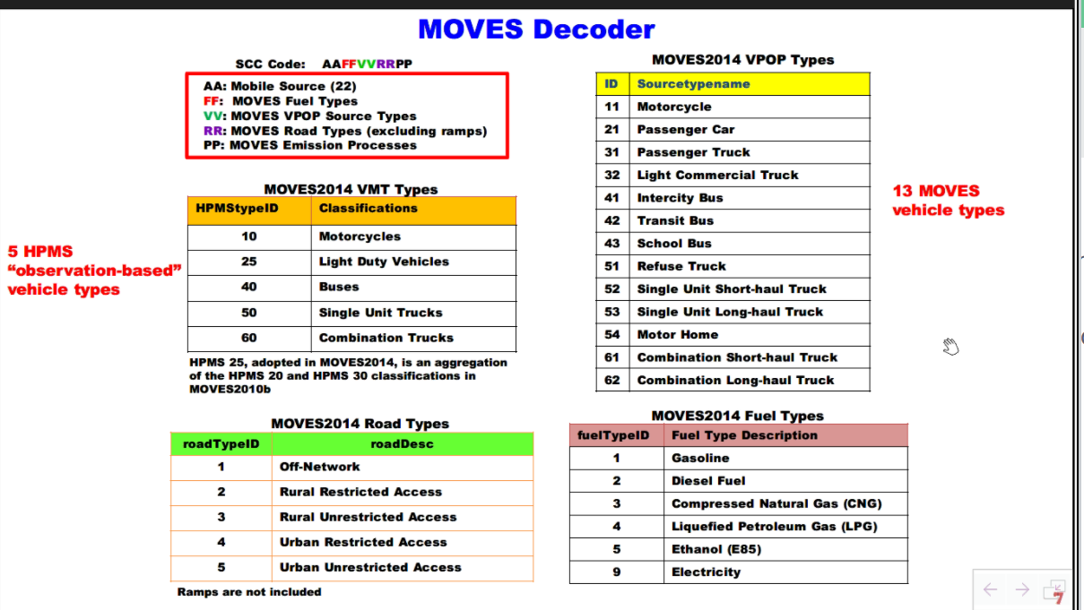
 |  | from Jin's 3/18/21 MARAMA Mobile Sources Workshop presentation

